Python in Excel for Finance
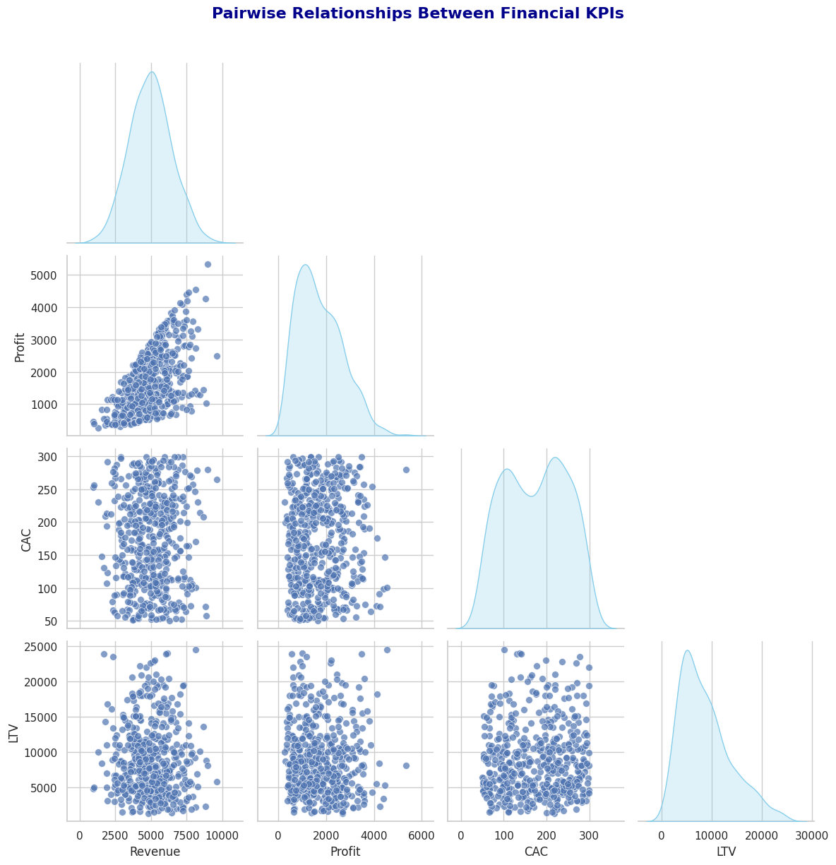
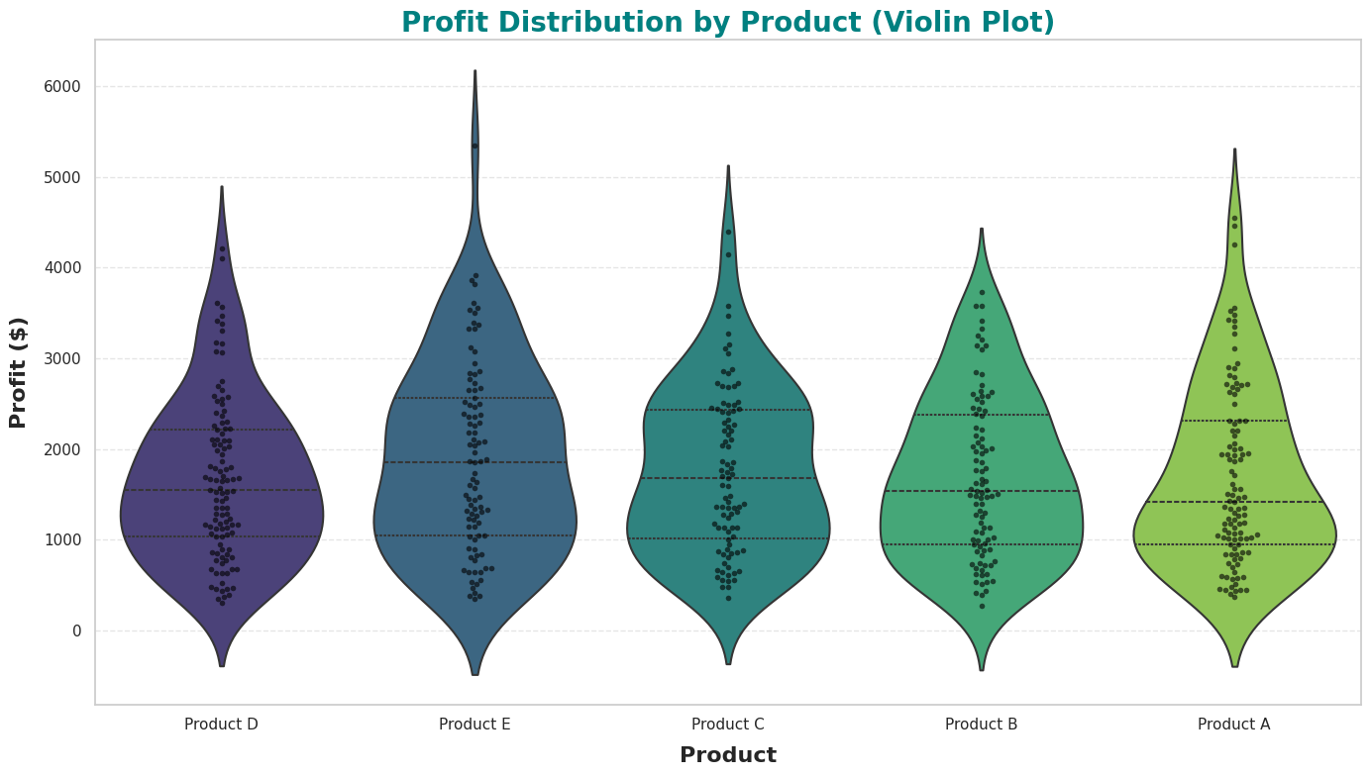
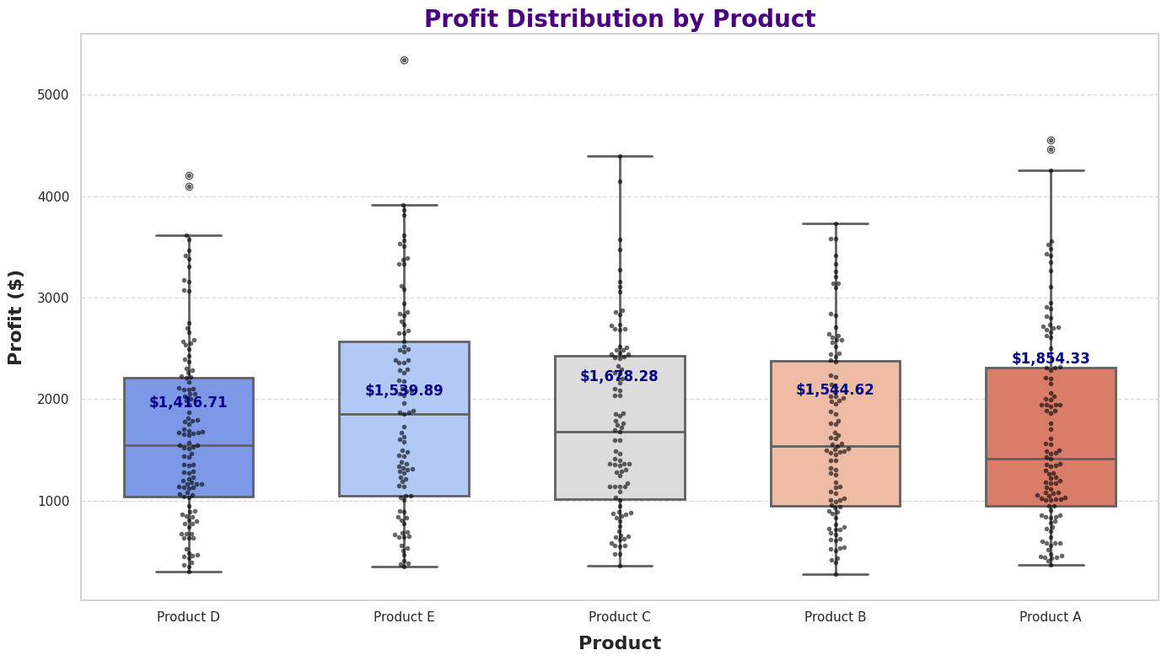
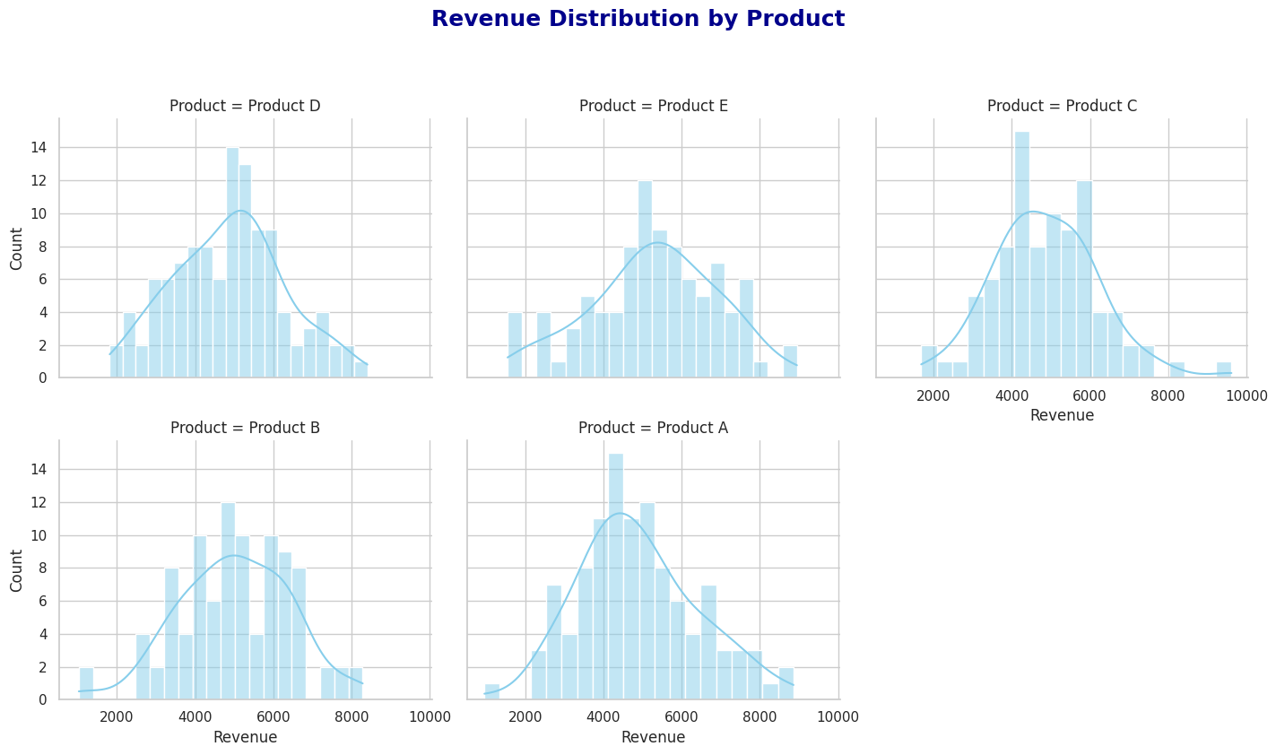
Python Code

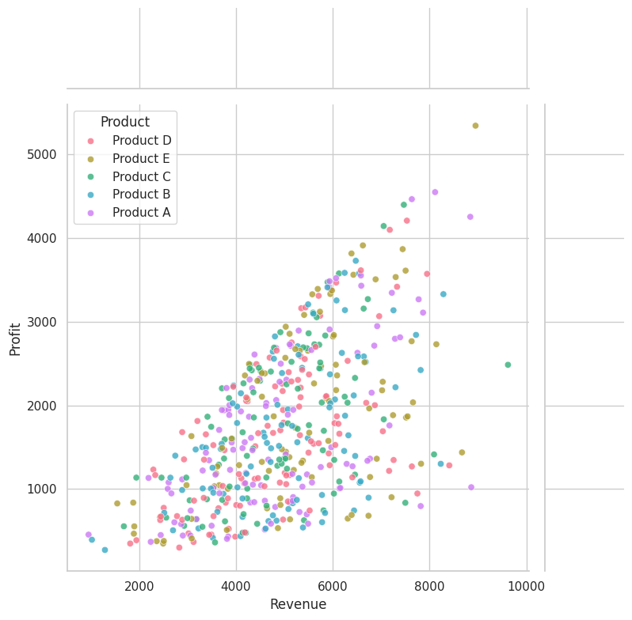

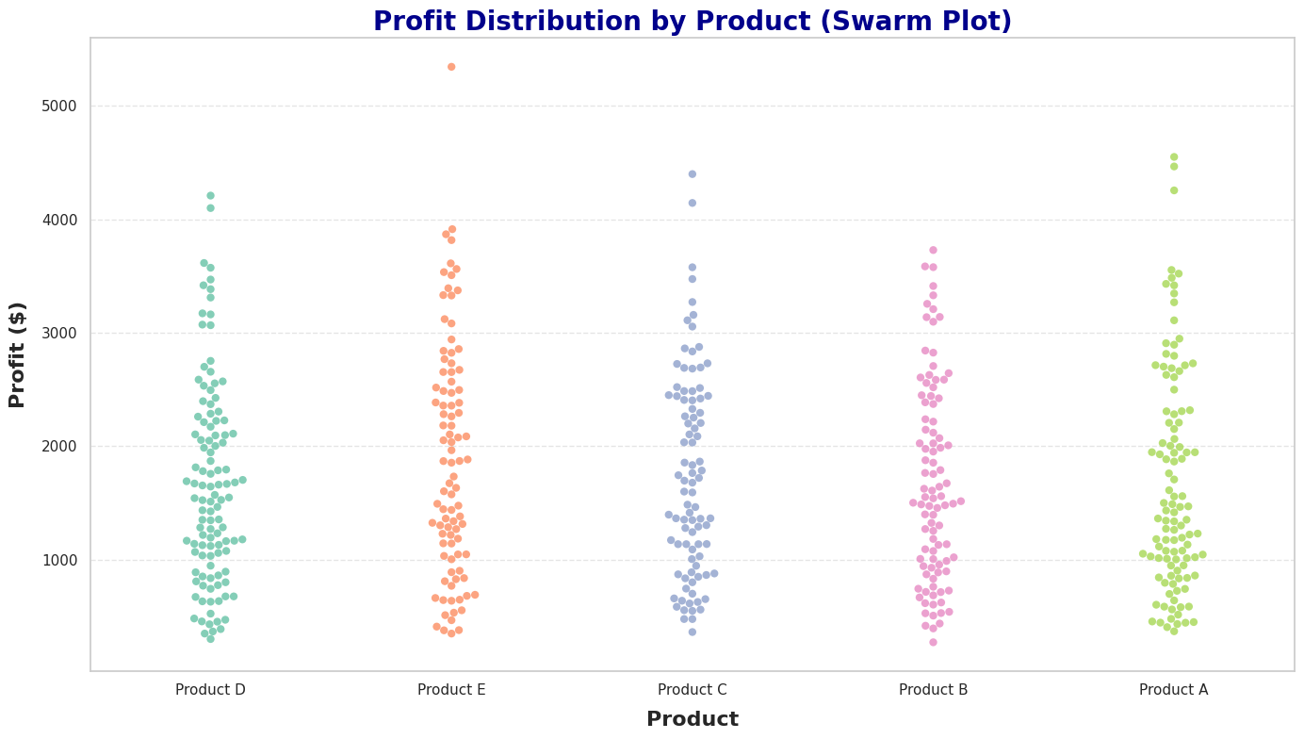

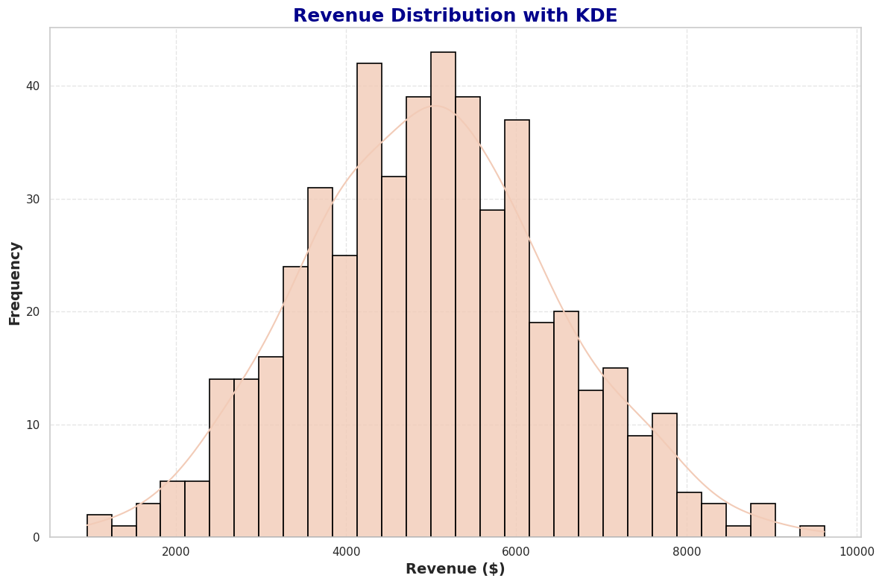
What is KDE?
KDE (Kernel Density Estimation) is a way to visualize the shape of your data's distribution—how your data is spread out across its range.
Instead of showing exact values (like in a bar chart or histogram), it creates a smooth curve that helps you understand where most of the data points are concentrated.
Think of KDE as a smooth map of your data. Instead of plotting individual numbers, it draws a curve that summarizes the "landscape" of your data:
Peaks = Where many data points are concentrated.
Valleys = Where fewer data points exist.

